Сontent
 | 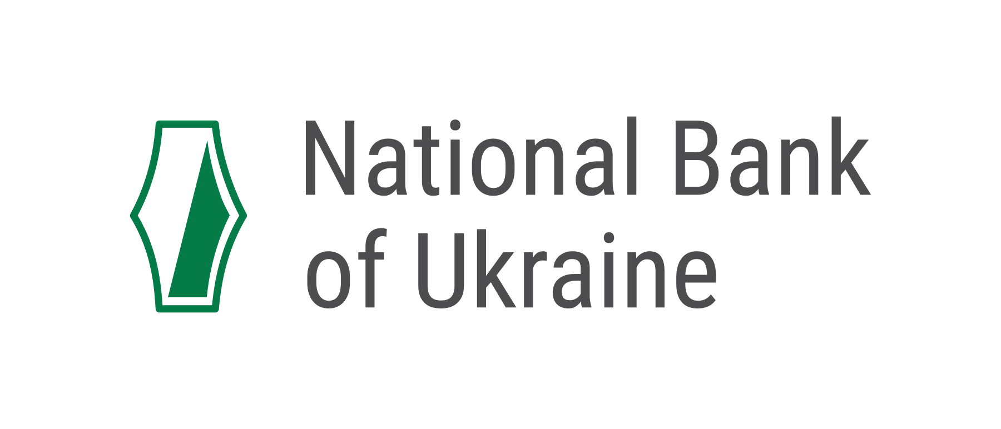

Structural units of banks of Ukraine

1 | Dynamics of the number of operating structural units of banks of Ukraine
2 | Number of banks operating structural units, by regions as of 01.01.2026
3 | Number of bank`s suspended structural units, by regions as of 01.01.2026

Note:
Pursuant to publishing by the National Bank of this information from the State Register of Banks (as of the current date):
а) On a page “Directory of banks” (section “ Supervision ” -> page “Bank Licensing”) of the NBU's official website via link:
https://bank.gov.ua/ua/supervision/institutions (UKR);
b) On a page “Developer API” (paragraph No. 15 “Directory of banks and their standalone units (UKR)”) of section “Open Data” of the NBU's official website via link:
https://bank.gov.ua/en/open-data/api-dev,
We would like to inform you that publication/updating of information about the structural divisions of Ukrainian banks will be subsequently canceled.

